AM
 |  |  |  |  |  |  |  |  |  | 5002 | € 35.00 | € 175,070.00
DESIGN | CODE | DESCRIPTION | COLORS | COMPOSITION | PACK | M | L | XL | XXL | TOTAL | RRP | RRP VALUE
 | SL001 | BRIEF | BLACK | 95% COTONE 5% ELASTANE S/J-160 GSM | BI-PACK | 30 | 38 | 30 | 25 | 123 | € 35.00 | € 4,305.00
 |  |  | WHITE | 95% COTONE 5% ELASTANE S/J-160 GSM | BI-PACK | 30 | 38 | 30 | 25 | 123 | € 35.00 | € 4,305.00
 |  |  | MILITARY | 95% COTONE 5% ELASTANE S/J-160 GSM | BI-PACK | 20 | 25 | 20 | 17 | 82 | € 35.00 | € 2,870.00
 |  |  | BLUE | 95% COTONE 5% ELASTANE S/J-160 GSM | BI-PACK | 20 | 25 | 20 | 17 | 82 | € 35.00 | € 2,870.00
 |  |  | GREY | 95% COTONE 5% ELASTANE S/J-160 GSM | BI-PACK | 20 | 25 | 20 | 17 | 82 | € 35.00 | € 2,870.00
 | BX001 | TRUNK | BLACK | 95% COTONE 5% ELASTANE S/J-160 GSM | BI-PACK | 63 | 75 | 63 | 50 | 251 | € 35.00 | € 8,785.00
 |  |  | WHITE | 95% COTONE 5% ELASTANE S/J-160 GSM | BI-PACK | 63 | 75 | 63 | 50 | 251 | € 35.00 | € 8,785.00
 |  |  | MILITARY | 95% COTONE 5% ELASTANE S/J-160 GSM | BI-PACK | 42 | 50 | 42 | 33 | 167 | € 35.00 | € 5,845.00
 |  |  | BLUE | 95% COTONE 5% ELASTANE S/J-160 GSM | BI-PACK | 42 | 50 | 42 | 33 | 167 | € 35.00 | € 5,845.00
 |  |  | GREY | 95% COTONE 5% ELASTANE S/J-160 GSM | BI-PACK | 42 | 50 | 42 | 33 | 167 | € 35.00 | € 5,845.00
 | BX002 | BOXER | BLACK | 95% COTONE 5% ELASTANE S/J-160 GSM | BI-PACK | 156 | 188 | 156 | 125 | 625 | € 35.00 | € 21,875.00
 |  |  | WHITE | 95% COTONE 5% ELASTANE S/J-160 GSM | BI-PACK | 156 | 188 | 156 | 125 | 625 | € 35.00 | € 21,875.00
 |  |  | MILITARY | 95% COTONE 5% ELASTANE S/J-160 GSM | BI-PACK | 104 | 125 | 104 | 84 | 417 | € 35.00 | € 14,595.00
 |  |  | BLUE | 95% COTONE 5% ELASTANE S/J-160 GSM | BI-PACK | 104 | 125 | 104 | 84 | 417 | € 35.00 | € 14,595.00
 |  |  | GREY | 95% COTONE 5% ELASTANE S/J-160 GSM | BI-PACK | 104 | 125 | 104 | 84 | 417 | € 35.00 | € 14,595.00
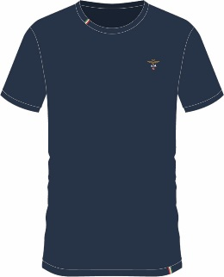 | TI001 | ROUND NECK | BLACK | 95% COTONE 5% ELASTANE S/J-160 GSM | SINGLE PACK | 25 | 30 | 25 | 20 | 100 | € 35.00 | € 3,500.00
 |  |  | WHITE | 95% COTONE 5% ELASTANE S/J-160 GSM | SINGLE PACK | 25 | 30 | 25 | 20 | 100 | € 35.00 | € 3,500.00
 |  |  | MILITARY | 95% COTONE 5% ELASTANE S/J-160 GSM | SINGLE PACK | 17 | 20 | 17 | 14 | 68 | € 35.00 | € 2,380.00
 |  |  | BLUE | 95% COTONE 5% ELASTANE S/J-160 GSM | SINGLE PACK | 17 | 20 | 17 | 14 | 68 | € 35.00 | € 2,380.00
 |  |  | GREY | 95% COTONE 5% ELASTANE S/J-160 GSM | SINGLE PACK | 17 | 20 | 17 | 14 | 68 | € 35.00 | € 2,380.00
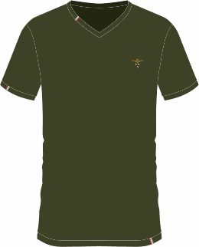 | TI002 | V NECK | BLACK | 95% COTONE 5% ELASTANE S/J-160 GSM | SINGLE PACK | 38 | 45 | 38 | 30 | 151 | € 35.00 | € 5,285.00
 |  |  | WHITE | 95% COTONE 5% ELASTANE S/J-160 GSM | SINGLE PACK | 38 | 45 | 38 | 30 | 151 | € 35.00 | € 5,285.00
 |  |  | MILITARY | 95% COTONE 5% ELASTANE S/J-160 GSM | SINGLE PACK | 25 | 30 | 25 | 20 | 100 | € 35.00 | € 3,500.00
 |  |  | BLUE | 95% COTONE 5% ELASTANE S/J-160 GSM | SINGLE PACK | 25 | 30 | 25 | 20 | 100 | € 35.00 | € 3,500.00
 |  |  | GREY | 95% COTONE 5% ELASTANE S/J-160 GSM | SINGLE PACK | 25 | 30 | 25 | 20 | 100 | € 35.00 | € 3,500.00

